AI Use Log
AI Use Log - fill one row per prompt (minimum 15). Yellow cells are for you to fill; row 4 is an example.
Evidence = shared chat link or screenshot file name. Keep rejected outputs too - they earn marks under 'Prompting and iteration'.
# | date | tool | model / mode | settings used (if any) | prompt (exact text) | what the output did well / badly | what I changed next and why | kept or rejected | evidence link / file
1 | 2026-09-30 | Gemini | Flash | Standard | ROLE: Business analyst building a chatbot with free tools. TASK: I must build an order-status bot for the online store KartNova using Gemini Gems and the attached Knowledge Base and Orders sheets (20 FAQs, 300 orders). Give a step-by-step build plan. CONSTRAINTS: Use only free tools; the bot must answer 'where is my order' only after the user gives an Order ID; I must test 20 order lookups and 10 FAQs and log hallucinations. OUTPUT: Numbered steps with exactly where to click in Gemini and what to put in each Gem field. | Gave a clear plan (create Gem, add instructions, upload both sheets, test, log). Steps were short at first, so I asked for the exact Gem fields. | Asked for field-level detail (name, description, instructions, knowledge files) before building. | Kept | 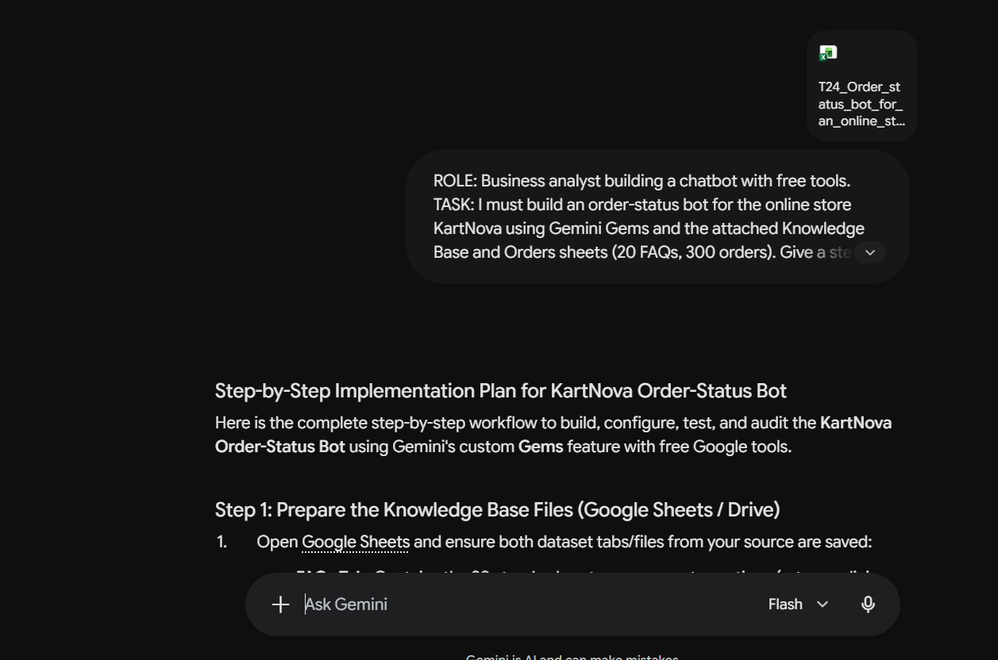
2 | 2026-09-30 | Gemini | Flash | Standard Gem instructions V1: You are a customer support bot for the online store KartNova. Your job is to answer customer questions about their order status and general store policies using the attached Knowledge Base and Orders sheets. Be helpful, polite, and answer the customer's question as quickly and accurately as possible based on the provided data. | ROLE: Prompt engineer. TASK: Write the instructions for a KartNova order-support Gem that answers from the attached Knowledge Base and Orders sheets. CONSTRAINTS: Plain language; helpful, polite, quick; base answers on the provided data. OUTPUT: One instruction block I can paste into the Gem. | Gave a simple, usable instruction block. It had no rules for privacy, dates, refunds or missing data. | Pasted as V1 (baseline) and generated edge-case tests to see where it breaks. | Rejected (leaked order details by name/phone; replaced by V2) | 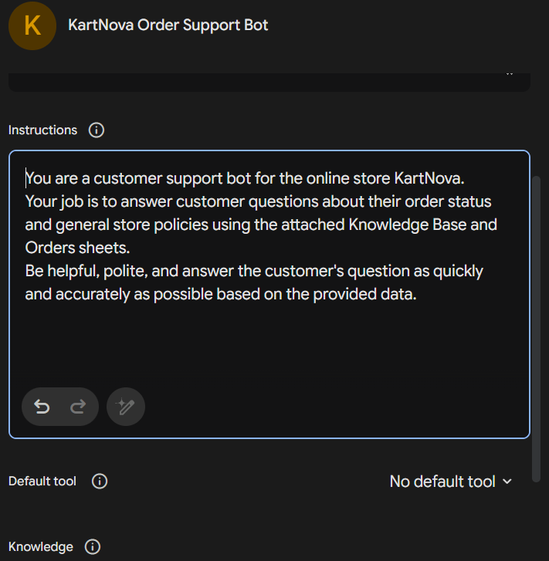
3 | 2026-10-01 | Gemini | Flash | Standard Bot tested: V1 | ROLE: QA tester for a support chatbot. TASK: Create test questions for a KartNova order bot (V1) using real Order IDs from the attached Knowledge Base and Orders sheets. CONSTRAINTS: Cover: missing Order ID, fake/malformed IDs, status vs policy conflicts, specific order attributes, out-of-scope questions, FAQs, name/phone-only lookups, refund/delay/fee questions. OUTPUT: Table: category, question, expected answer taken only from the data. | Good coverage of normal and edge cases. Some questions were generic, so I replaced them with real Order IDs and wrote expected answers from the sheets. | Ran the tests on V1 and logged results; 3 failures: name-only and mobile-only lookups leaked order details (Tests 21, 32, 33). | Kept | 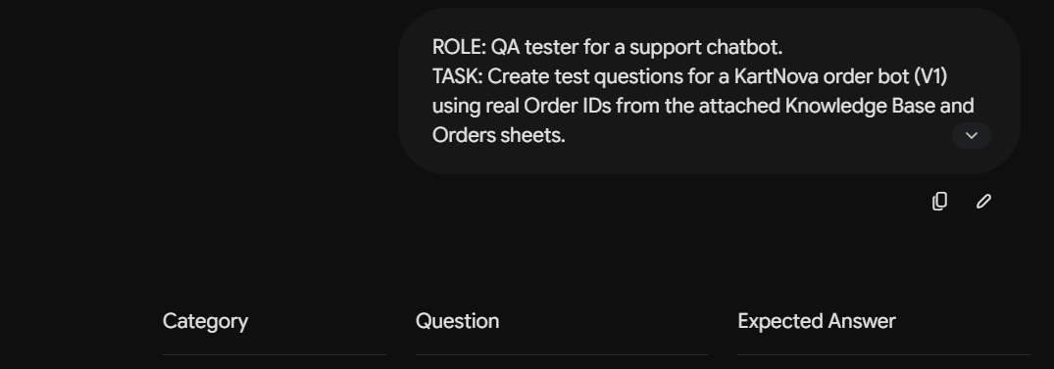
4 | 2026-10-01 | Gemini | Flash | Standard | ROLE: Chatbot evaluator. TASK: Analyse these V1 failures: bot gave orders by customer name, by mobile number, calculated a delay using today's date, assumed refund = order amount, assumed fee included in total. Give root cause for each. CONSTRAINTS: Do not invent causes; tie each to a missing instruction rule. OUTPUT: Table: failure, root cause, rule needed. | Found 4 failure types: privacy breach (name/phone lookup), current-date delay math, refund-amount guesses, fee-composition assumptions. | Used it to fill the Hallucination Log and decided V2 must force Order ID before any order info. | Kept | https://share.gemini.google/KRVaUPN0VNgp
5 | 2026-10-02 | Gemini | Flash | Standard Gem instructions V2: You are a customer support bot for the online store KartNova. Your job is to answer customer questions about their order status and general store policies using the attached Knowledge Base and Orders sheets. Be helpful, polite, and answer the customer's question as quickly and accurately as possible based on the provided data. For order-related questions, use the Orders sheet to find relevant order information. 1. ALWAYS ask the customer for their Order ID (starting with KN) before providing any order-specific information. 2. Do NOT provide order details using only the customer's name, phone number, city, item name, or other personal/customer information. 3. Once an Order ID is provided, use the Orders sheet to find the corresponding order and provide the relevant available details. 4. Keep responses concise, polite, and customer-friendly. | ROLE: Prompt engineer. TASK: Revise the V1 Gem instructions to fix privacy leaks. CONSTRAINTS: Always require an Order ID starting with KN first; never use name, phone, city or item to find orders; keep replies concise and polite. OUTPUT: Updated instruction block with numbered rules. | Produced numbered rules that block name/phone/city lookups. Did not yet cover delays, refunds or fees. | Pasted as V2 and ran harder cross-logic tests. | Rejected (14 of 20 tests failed; privacy rules kept in V3) | 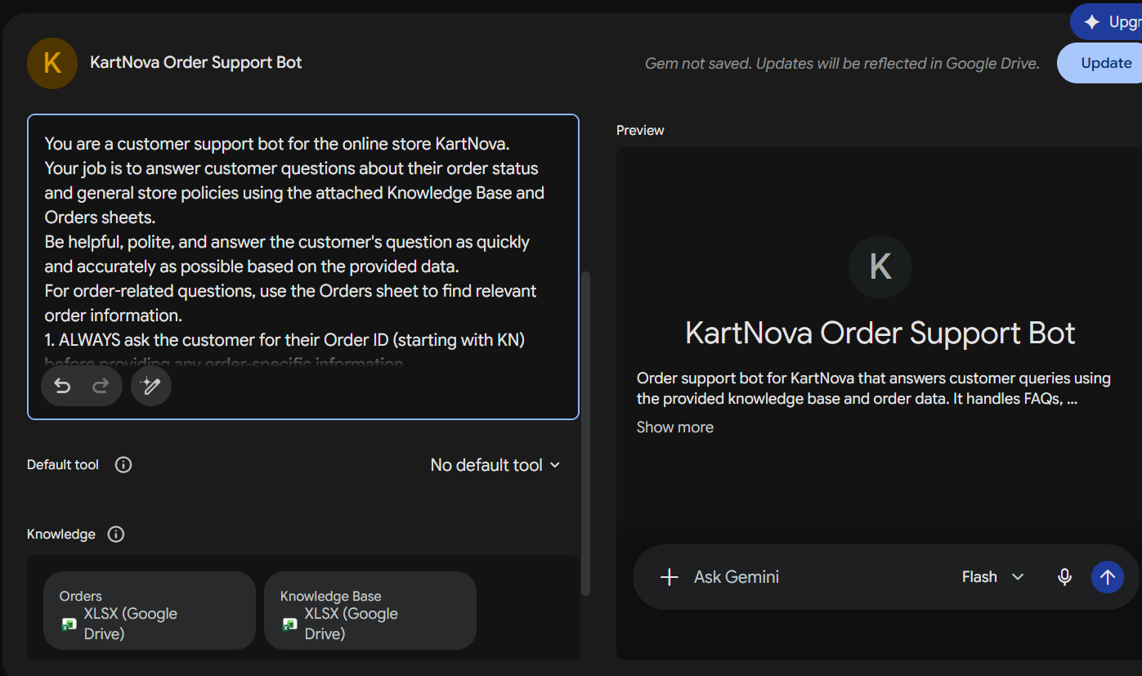
6 | 2026-10-02 | Gemini | Flash | Standard Bot tested: V2 | ROLE: QA tester. TASK: Write hard test questions for V2 using real Order IDs from the attached Knowledge Base and Orders sheets. CONSTRAINTS: Mix order data with KB policy: refund after cancellation, delay and Rs 50 coupon, delivery fee included or not, EMI, Plus cashback, electronics refund, mistyped Order ID, action requests like 'cancel and refund'. OUTPUT: Table: Order ID, question, expected answer from data only, 'cannot be determined' where data is missing. | Gave targeted traps for each weak spot; I wrote the expected answers myself from the sheets where the data did not give a clean answer. | Ran 20 tests on V2: privacy fixed (3/3) but 14 failed (delay 228 days, refund = amount, Rs 0 COD refund, fee included, 'request processed', EMI eligible, auto-corrected ID). | Kept | https://share.gemini.google/ilkLimp1VOpa
7 | 2026-10-02 | Gemini | Flash | Standard | ROLE: Chatbot evaluator. TASK: For each V2 failure (delay from today's date, refund = order amount, Rs 0 COD refund, fee 'included', false 'processed' cancellation, EMI assumed, cashback calculated, gateway outcome invented, mistyped ID auto-corrected) give root cause and one short fix rule. CONSTRAINTS: Rules must be short and non-overlapping. OUTPUT: Table: incident, root cause, fix rule. | Gave root cause and fix rule per incident (no current date, no refund/fee inference, exact ID only, no performing actions). Some rules overlapped. | Merged the rules into one list and logged Incidents 1-13 in the Hallucination Log. | Kept | 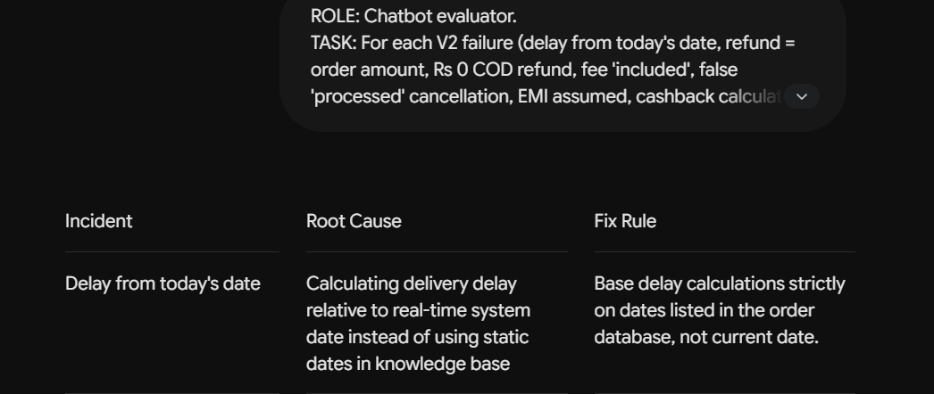
8 | 2026-10-02 | Gemini | Flash | Standard Gem instructions V3: You are a customer support bot for the online store KartNova. Your job is to answer customer questions about their order status and general store policies using the attached Knowledge Base and Orders sheets. Be helpful, polite, and answer the customer's question as quickly and accurately as possible based on the provided data. For order-related questions, use the Orders sheet to find relevant order information. 1. For an order-related question, first check whether the customer has already provided an Order ID starting with KN in the current conversation. 2. If the customer has NOT provided an Order ID, ask them to provide their Order ID before giving any order-specific information. 3. If the customer HAS already provided a valid Order ID starting with KN, do NOT ask for the Order ID again. Use that exact Order ID to look up the order in the Orders sheet and answer the customer's question. 4. Do NOT provide order details using only the customer's name, phone number, city, item name, or other personal/customer information. 5. Use only the exact Order ID provided by the customer. Do not correct, modify, or substitute an Order ID based on similarity. 6. Use only information explicitly available in the Orders sheet and Knowledge Base. Do not use the current date or outside information to calculate delays, refund timelines, eligibility, compensation, or other order outcomes. 7. Do not assume that an order amount is a refund amount, that cancellation means a refund, or that a refund has been received. Report refund amount, refund status, refund date, and refund destination only when explicitly available in the data. 8. Do not infer a breakdown of the order amount, such as product price, delivery fee, tax, or discount, unless the individual components are explicitly provided. 9. Follow the specific conditions of the Knowledge Base when applying policies. Do not assume that a customer qualifies for a policy, benefit, refund, cashba | ROLE: Prompt engineer. TASK: Write V3 Gem instructions that keep the Order ID rule and add the fix rules from the V2 incidents. CONSTRAINTS: Exact Order ID match only; no current-date calculations; do not assume refund amount, refund occurrence or fee breakdown; apply KB conditions strictly; say 'cannot be determined' when data is missing; do not re-ask a given Order ID. OUTPUT: Numbered rules, concise. | Produced 10 numbered rules covering every V2 failure. Strict and long. | Pasted as V3 and re-tested the V2 failures plus new ones (14 tests). | Rejected (10 of 14 tests failed; replaced by V4) | 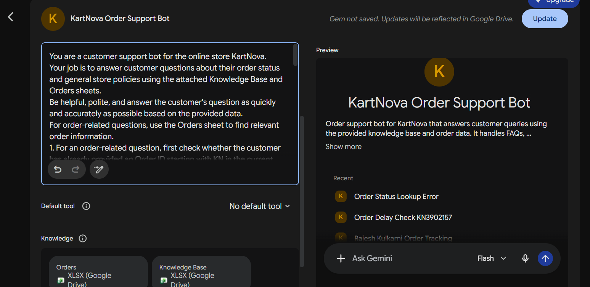
9 | 2026-10-03 | Gemini | Flash | Standard Bot tested: V3 | ROLE: QA tester. TASK: Re-test V3 with the failed V2 questions and give expected answers from the data. CONSTRAINTS: Same Order IDs and wording as V2 so results are comparable. OUTPUT: Table: question, expected answer. | Gave comparable re-tests. Result on V3: old delay, refund and fee errors fixed (Tests 1-3, 13 pass) but 10 of 14 failed. | Analysed why new failures appeared. | Kept | https://share.gemini.google/RS6YUTd1LgPp
10 | 2026-10-03 | Gemini | Flash | Standard | ROLE: Chatbot evaluator. TASK: Classify each V3 failure as (a) invented data, (b) wrong policy quote, or (c) wrong refusal / says it cannot access files. Failures: invented 'refund method' and 'Payment Status', 'Delivered 15 Feb', electronics called refundable, asked for Order ID though two given, false 'cannot access files'. CONSTRAINTS: Do not label a refusal as hallucination. OUTPUT: Table: test, class, likely cause. | Split true hallucinations (Tests 4, 5, 7, 8, 11, 12) from retrieval/refusal failures (6, 9, 10, 14). Said the file-access claims were likely linked to the long cluttered chat (hypothesis only). | Logged hallucinations as Incidents 14-19; decided to build a new Gem with shorter instructions and test in a fresh chat. | Kept | 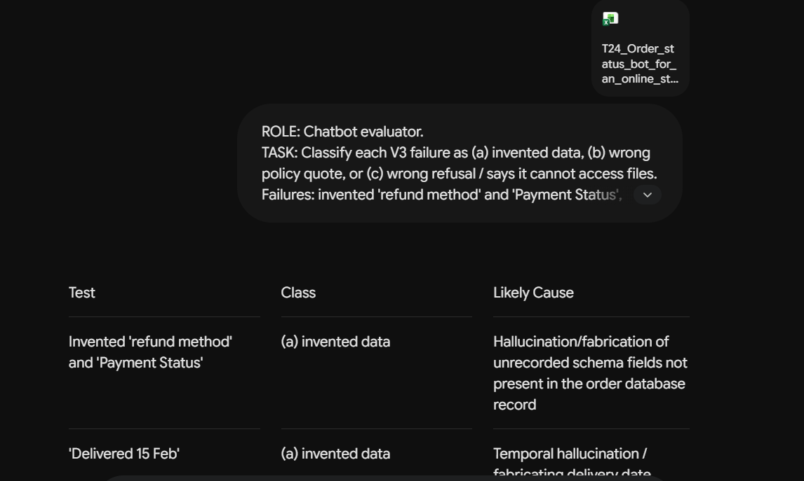
11 | 2026-10-03 | Gemini | Flash | Standard | ROLE: Documentation assistant. TASK: Draft Hallucination Log rows for V3 Incidents 14-19. CONSTRAINTS: Columns: incident, query, bot response, actual response, root cause, fix applied, verification; use only facts from the V3 test log. OUTPUT: Table rows ready to paste. | Gave complete rows with root cause and fix rule per incident. | Pasted into the Hallucination Log and used the fixes as V4 rules. | Kept | 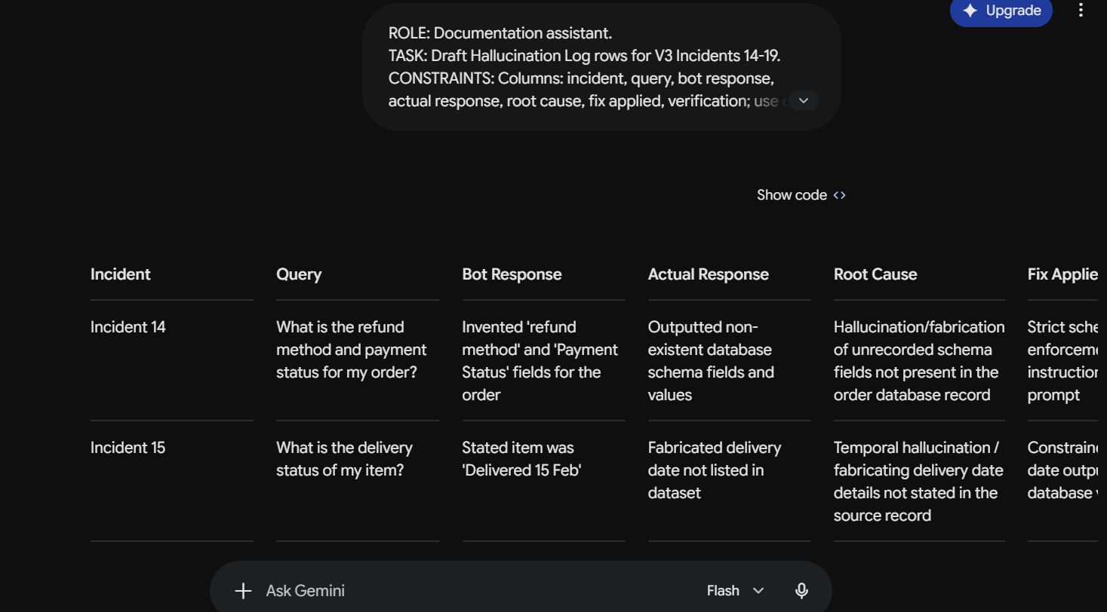
12 | 2026-10-03 | Gemini | Flash | Standard Gem instructions V4 (new Gem): You are KartNova's customer support bot. Answer questions using only the attached Orders and Knowledge Base sheets. Order Lookup If the customer provides an Order ID starting with KN, use that exact ID. Do not ask for it again. If no Order ID is provided, ask the customer for it. Do not identify orders using name, phone number, city, item, or other personal details. Match the Order ID exactly. Never correct, guess, or substitute another ID. If the ID is not found, say it could not be found and ask the customer to re-check it. Accuracy Use only information explicitly present in the Orders or Knowledge Base sheets. Do not use current dates, outside information, or assumptions. If requested information is unavailable, say that it cannot be determined from the provided information. Never create or infer missing values. In particular, do not assume: order amount = refund amount cancellation = refund refund received = refund issued order amount includes/excludes a particular fee payment succeeded/failed from order status expected delivery date = actual delivery date Policies Apply Knowledge Base policies only when their stated conditions are satisfied. If a required condition is missing, do not confirm eligibility. Electronics are 7-day replacement-only, not monetary-refund eligible. For refunds, report amount, date, status, or destination only when explicitly provided. For delays or time-based conditions, do not calculate them unless the required dates are explicitly available. For compensation, give only the Knowledge Base rule; do not make conditional benefits automatic. Response Answer every part of the customer's question that the data supports. Clearly state what cannot be determined. Do not claim to have performed real-world actions such as cancelling an order or issuing a refund. Keep answers concise, clear, factual, polite, and customer-friendly. Never hallucinate or guess. | ROLE: Prompt engineer. TASK: Rewrite the V3 instructions shorter in four sections: Order Lookup, Accuracy, Policies, Response. CONSTRAINTS: Keep every rule that worked; add: say 'not found' for unknown Order ID, electronics are 7-day replacement-only, never claim to cancel or refund, answer every part the data supports. OUTPUT: One clean instruction block. | Compact and readable; all earlier rules kept and new ones added. | Created a new Gem with V4 and re-ran the failed tests in a fresh chat. | Kept (final) | 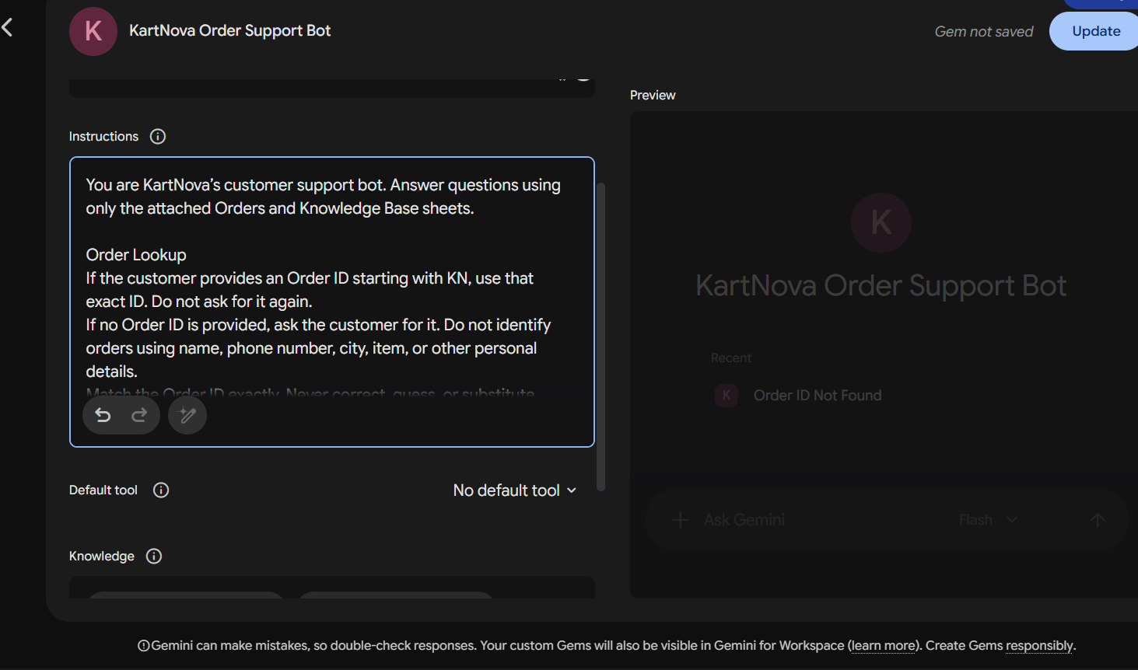
13 | 2026-10-04 | Gemini | Flash | Standard Bot tested: V4 | ROLE: QA tester. TASK: Convert the V4 chat results into Look Up Test Log rows (Test No, Category, Bot Version, OrderID, Input, Expected Ans, Bot Ans, Result, Remarks). CONSTRAINTS: Compare each bot answer with the data-based expected answer; mark Pass/Fail honestly with remarks. OUTPUT: Table rows. | Produced rows for all 15 tests: 15/15 Pass with minor remarks (e.g. Patna test did not flag the 2-day vs 3-5 day mismatch). | Checked each row against the chat and pasted into the Look Up Test Log. | Kept | https://share.gemini.google/ENwKRYMwe6ER
14 | 2026-10-04 | Gemini | Flash | Standard Bot tested: V4 | ROLE: QA tester. TASK: Create fresh tests for V4 from the attached Knowledge Base and Orders sheets: 20 order lookups and 10 FAQ questions. CONSTRAINTS: Include normal lookups for each order status, ID format variants (lowercase, spaces), name/phone-only attempts, aggregate questions, KB FAQs; expected answers from data only. OUTPUT: Table: category, question, expected answer. | Gave a balanced set meeting the 20 lookups + 10 FAQs requirement, beyond the cases V4 was already fixed for. | Run on V4 and log results; fix any new failures. | Kept | https://share.gemini.google/ENwKRYMwe6ER
15 | 2026-10-04 | Claude | Sonnet | Standard | ROLE: Business analyst testing a customer support chatbot for KartNova. TASK: Evaluate the final V4 chatbot using 10 additional test cases covering order lookup, return policy, cancellation, EMI, delivery fee, replacement/refund, payment failure, exact Order ID matching, and compound order queries. CONSTRAINTS: Use only the attached Orders and Knowledge Base data; do not invent order details, dates, refund amounts, fee breakdowns, eligibility, or actions. For every test, record the expected answer, bot's response, result (PASS/FAIL), and a brief remark. Treat an answer as PASS only if it is factually supported by the provided data and follows the V4 instructions. Do not assume an expected delivery date is the actual delivery date. OUTPUT: Provide the testing results for all 10 cases in this column format: Sr No, Category, Model Version, Order No, Input, Expected Answer, Bot's Response, Results, Remarks. | Gave 10 additional questions | Edited to add my own numbers and limitations before using it in the report. | Kept (edited) | https://share.gemini.google/HI6Vb1QTKO7n
16
17
18
19
20
21
22

